bq24600
Li-ion charger bq24600 typical application circuit
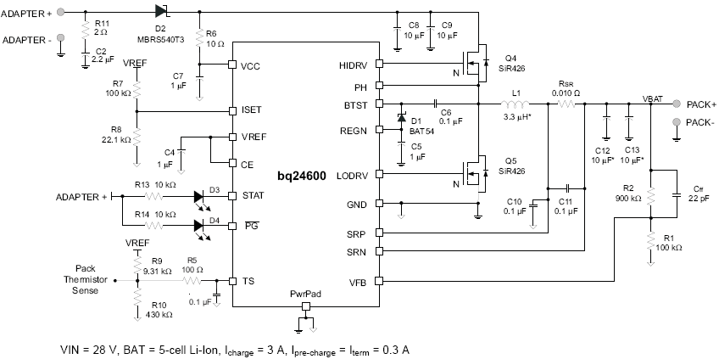

User Input
Fixed Value
Calculated Value

Battery charge voltage setting
Cell count | 5 | cell
Vcell | 4.2 | V/cell
Vbat | 21 | V
R1 | 100.0 | k-ohm
R2 | 900 | k-ohm

Battery fast-charge current setting
Ichg | 3 | A
RSR | 10 | m-ohm
VREF | 3.3 | V
V_ISET | 0.6 | V | Iprechg=Iterm=Ichg/10
R7 | 100.0 | k-ohm
R8 | 22.22 | k-ohm

Iripple_Lout |  |  | Typical Inductor, Capacitor, and Sense Resistor Values as a function of charge current
Vin | 28 | V | Charge Current | 2A | 4A | 6A | 8A | 10A
Vout (Vbat) | 21 | V | Output Inductor Lo | 3.3mH | 3.3mH | 2.2mH | 2.2mH | 1.5mH
Duty | 0.750 |  | Output Capacitor Co | 20mF | 20mF | 30mF | 40mF | 40mF
Fs | 1200 | kHz | Sense Resistor | 10mW | 10mW | 10mW | 10mW | 10mW
Lout | 3.30 | uH
IRIPPLE | 1.33 | A
VRIPPLE | 6.90 | mV

LC output filter resonant frequency
Lout | 3.30 | uH
Cout | 20.00 | uF
f0 | 19.59 | kHz | recommended range 16~28 kHz

Timer (fixed)
Tprecharge | 30.00 | min
Tfastcharge | 5 | hr

TS resistor network
RTH (semitech) | 103AT-2,3 | 0-45C
R_COLD (0C) | 27.28 | k-ohm
R_HOT (45C) | 4.91 | k-ohm
VREF | 3.30 | V
VLTF | 2.43 | 73.50%
VTCO | 1.14 | 34.40%
R9 | 9.26 | 9.31 k-ohm
R10 | 440.35 | 430 k-ohm
0°C
45°C
40°C
ACOV
bq24600 | 32 | V

bq24610_bq24617
Li-ion charger bq24610 typical application circuit
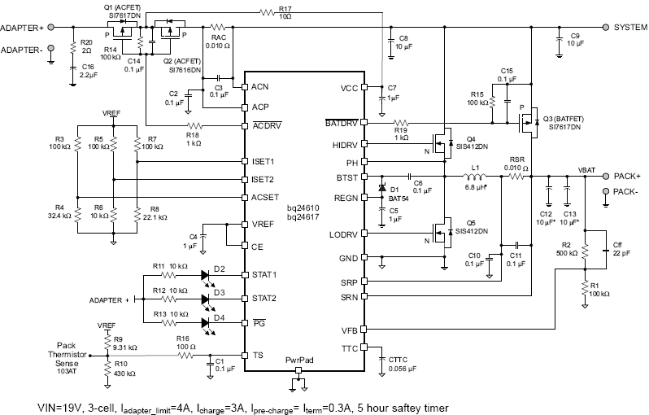

User Input
Fixed Value
Calculated Value

Battery charge voltage setting
Cell count | 3 | cell
Vcell | 4.2 | V/cell
Vbat | 12.6 | V
R1 | 100.0 | k-ohm
R2 | 500 | k-ohm

Adaptor regulation current
Iadp | 4 | A
RAC | 10 | m-ohm
VREF | 3.3 | V
V_ACSET | 0.800 | V
R3 | 100.0 | k-ohm
R4 | 32.00 | k-ohm

Battery pre-charge/termination current setting
Iprechg (Iterm) | 0.3 | A
RSR | 10 | m-ohm
VREF | 3.3 | V
V_ISET2 | 0.3 | V
R5 | 100.0 | k-ohm
R6 | 10.00 | k-ohm

Battery fast-charge current setting
Ichg | 3 | A
RSR | 10 | m-ohm
VREF | 3.3 | V
V_ISET1 | 0.6 | V
R7 | 100.0 | k-ohm
R8 | 22.22 | k-ohm

Iripple_Lout_Vripple |  |  | Typical Inductor, Capacitor, and Sense Resistor Values as a function of charge current
Vin | 19 | V | Charge Current | 2A | 4A | 6A | 8A | 10A
Vout (Vbat) | 12.6 | V | Output Inductor Lo | 6.8mH | 6.8mH | 4.7mH | 3.3mH | 3.3mH
Duty | 0.663 |  | Output Capacitor Co | 20mF | 20mF | 30mF | 40mF | 40mF
Fs | 600 | (kHz) | Sense Resistor | 10mW | 10mW | 10mW | 10mW | 10mW
Lout | 6.80 | (uH)
IRIPPLE | 1.04 | A
VRIPPLE | 10.84 | mV

LC output filter resonant frequency
Lout | 6.80 | (uH)
Cout | 20.00 | (uF)
f0 | 13.65 | kHz | recommended range 12~17 kHz

Precharge timer (fixed)
Tprecharge | 30.00 | min

Fastcharge timer
Kttc | 5.60 | min/nF
Cttc | 56 | nF
Tcharge | 5.23 | hr

TS resistor network
RTH (semitech) | 103AT-2,3 | (0-45C)
R_COLD (0C) | 27.28 | k-ohm
R_HOT (45C) | 4.91 | k-ohm
VREF | 3.30 | V
VLTF | 2.43 | 73.50%
VTCO | 1.14 | 34.40%
R9 | 9.26 | 9.31 k-ohm
R10 | 440.35 | 430 k-ohm

0°C
45°C
40°C
ACOV
bq24610 | 32 | V
bq24617 | 26 | V

BQ24616
Li-ion charger bq24616 typical application circuit (JEITA compatible)
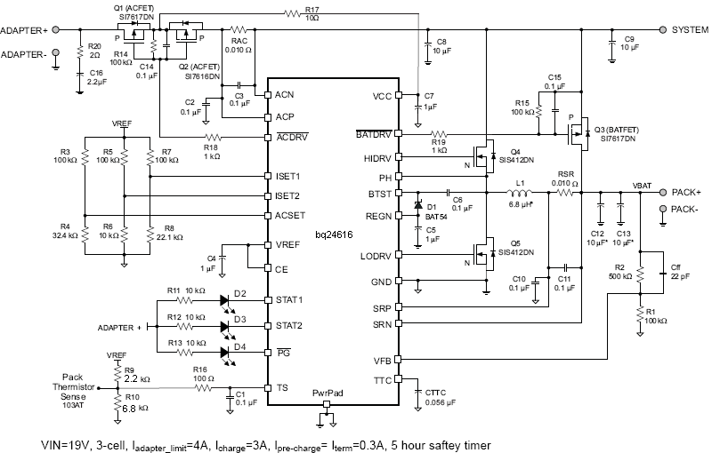

User Input
Fixed Value
Calculated Value

Battery charge voltage setting
Cell count | 3 | cell
Vcell | 4.2 | V/cell
Vbat | 12.6 | V
R1 | 100.0 | k-ohm
R2 | 500 | k-ohm

Adaptor regulation current
Iadp | 4 | A
RAC | 10 | m-ohm
VREF | 3.3 | V
V_ACSET | 0.800 | V
R3 | 100.0 | k-ohm
R4 | 32.00 | k-ohm

Battery pre-charge/termination current setting
Iprechg (Iterm) | 0.3 | A
RSR | 10 | m-ohm
VREF | 3.3 | V
V_ISET2 | 0.3 | V
R5 | 100.0 | k-ohm
R6 | 10.00 | k-ohm

Battery fast-charge current setting
Ichg | 3 | A
RSR | 10 | m-ohm
VREF | 3.3 | V
V_ISET1 | 0.6 | V
R7 | 100.0 | k-ohm
R8 | 22.22 | k-ohm

Iripple_Lout_Vripple |  |  | Typical Inductor, Capacitor, and Sense Resistor Values as a function of charge current
Vin | 19 | V | Charge Current | 2A | 4A | 6A | 8A | 10A
Vout (Vbat) | 12.6 | V | Output Inductor Lo | 6.8mH | 6.8mH | 4.7mH | 3.3mH | 3.3mH
Duty | 0.663 |  | Output Capacitor Co | 20mF | 20mF | 30mF | 40mF | 40mF
Fs | 600 | (kHz) | Sense Resistor | 10mW | 10mW | 10mW | 10mW | 10mW
Lout | 6.80 | (uH)
IRIPPLE | 1.04 | A
VRIPPLE | 20.94 | mV

LC output filter resonant frequency
Lout | 6.80 | (uH)
Cout | 20.00 | (uF)
f0 | 13.65 | kHz | recommended range 12~17 kHz

Precharge timer (fixed)
Tprecharge | 30.00 | min

Fastcharge timer
Kttc | 5.60 | min/nF
Cttc | 56 | nF
Tcharge | 5.23 | hr

TS resistor network
RTH (semitech) | 103AT-2,3 | 0-60C
R_COLD (0C) | 27.28 | k-ohm
R_HOT (60C) | 3.02 | k-ohm
VREF | 3.30 | V
VCOOL | 2.33 | 70.70%
VWARM | 1.58 | 48.00%
R9 | 2.27 | 2.2 k-ohm
R10 | 6.86 | 6.8 k-ohm

ACOV
bq24616 | 32 | V

bq24618
Li-ion charger bq24618 typical application circuit
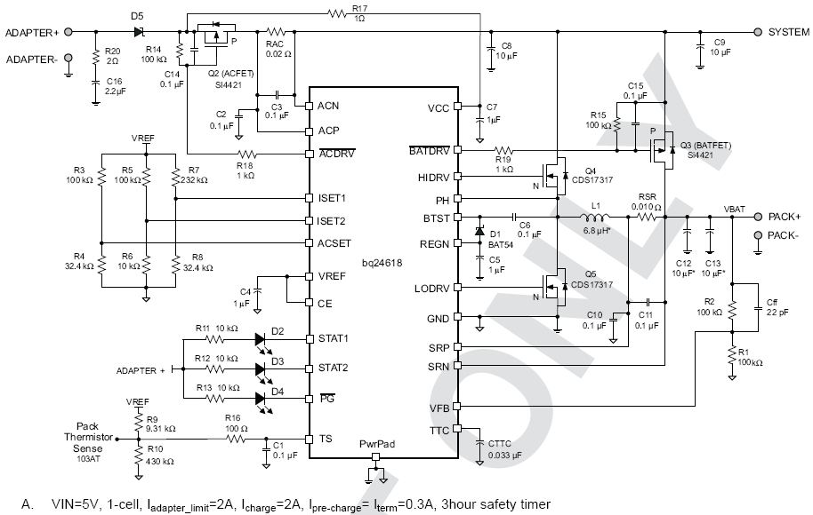

User Input
Fixed Value
Calculated Value

Battery charge voltage setting
Cell count | 1 | cell
Vcell | 4.2 | V/cell
Vbat | 4.2 | V
R1 | 100.0 | k-ohm
R2 | 100 | k-ohm

Adaptor regulation current
Iadp | 2 | A
RAC | 20 | m-ohm
VREF | 3.3 | V
V_ACSET | 0.800 | V
R3 | 100.0 | k-ohm
R4 | 32.00 | k-ohm

Battery pre-charge/termination current setting
Iprechg (Iterm) | 0.3 | A
RSR | 10 | m-ohm
VREF | 3.3 | V
V_ISET2 | 0.3 | V
R5 | 100.0 | k-ohm
R6 | 10.00 | k-ohm

Battery fast-charge current setting
Ichg | 2 | A
RSR | 10 | m-ohm
VREF | 3.3 | V
V_ISET1 | 0.4 | V
R7 | 232.0 | k-ohm
R8 | 32.00 | k-ohm

Iripple_Lout_Vripple |  |  | Typical Inductor, Capacitor, and Sense Resistor Values as a function of charge current
Vin | 5 | V | Charge Current | 2A | 4A | 6A | 8A | 10A
Vout (Vbat) | 4.2 | V | Output Inductor Lo | 6.8mH | 6.8mH | 4.7mH | 3.3mH | 3.3mH
Duty | 0.840 |  | Output Capacitor Co | 20mF | 20mF | 30mF | 40mF | 40mF
Fs | 600 | (kHz) | Sense Resistor | 10mW | 10mW | 10mW | 10mW | 10mW
Lout | 6.80 | (uH)
IRIPPLE | 0.16 | A
VRIPPLE | 1.72 | mV

LC output filter resonant frequency
Lout | 6.80 | (uH)
Cout | 20.00 | (uF)
f0 | 13.65 | kHz | recommended range 12~17 kHz

Precharge timer (fixed)
Tprecharge | 30.00 | min

Fastcharge timer
Kttc | 5.60 | min/nF
Cttc | 33 | nF
Tcharge | 3.08 | hr

TS resistor network
RTH (semitech) | 103AT-2,3 | (0-45C)
R_COLD (0C) | 27.28 | k-ohm
R_HOT (45C) | 4.91 | k-ohm
VREF | 3.30 | V
VLTF | 2.43 | 73.50%
VTCO | 1.14 | 34.40%
R9 | 9.26 | 9.31 k-ohm
R10 | 440.35 | 430 k-ohm

0°C
45°C
40°C
ACOV
bq24618 | 32 | V

bq24620
LiFePO4 charger bq24620 typical application circuit
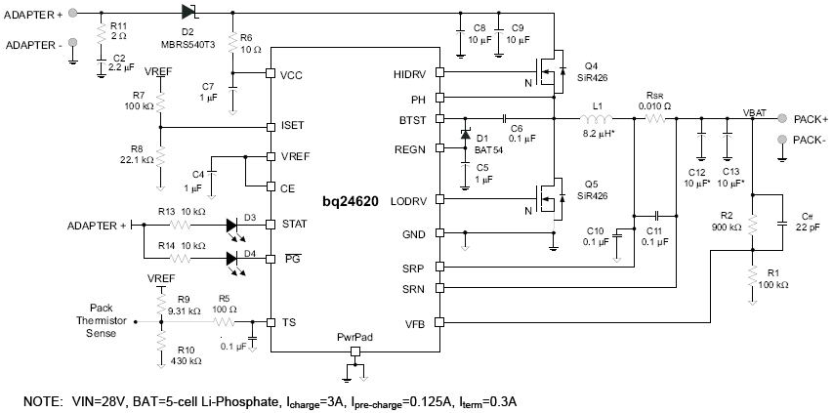

User Input
Fixed Value
Calculated Value

Battery charge voltage setting
Cell count | 5 | cell
Vcell | 3.6 | V/cell
Vbat | 18 | V
R1 | 100.0 | k-ohm
R2 | 900 | k-ohm

Battery fast-charge current setting
Ichg | 3 | A
RSR | 10 | m-ohm
VREF | 3.3 | V
V_ISET | 0.6 | V | Iterm=Ichg/10
R7 | 100.0 | k-ohm | Fixed Iprechg=125mA for 10mΩ sensing resistor
R8 | 22.22 | k-ohm

Iripple_Lout |  |  | Typical Inductor, Capacitor, and Sense Resistor Values as a function of charge current
Vin | 28 | V | Charge Current | 2A | 4A | 6A | 8A | 10A
Vout (Vbat) | 18 | V | Output Inductor Lo | 8.2mH | 8.2mH | 5.6mH | 4.7mH | 4.7mH
Duty | 0.643 |  | Output Capacitor Co | 20mF | 20mF | 30mF | 40mF | 40mF
Fs | 300 | kHz | Sense Resistor | 10mW | 10mW | 10mW | 10mW | 10mW
Lout | 8.20 | uH
IRIPPLE | 2.61 | A
VRIPPLE | 54.44 | mV

LC output filter resonant frequency
Lout | 8.20 | uH
Cout | 20.00 | uF
f0 | 12.43 | kHz | recommended range 10~15 kHz

Timer (fixed)
Tprecharge | 30.00 | min
Tfastcharge | 5 | hr

TS resistor network
RTH (semitech) | 103AT-2,3 | 0-60C
R_COLD (0C) | 27.28 | k-ohm
R_HOT (60C) | 3.02 | k-ohm
VREF | 3.30 | V
VCOOL | 2.33 | 70.70%
VWARM | 1.58 | 48.00%
R9 | 2.27 | 2.2 k-ohm
R10 | 6.86 | 6.8 k-ohm

-20°C
0°C
60°C
80°C
ACOV
bq24600 | 32 | V

bq24630
LiFePO4 Charger bq24630 typical application circuit
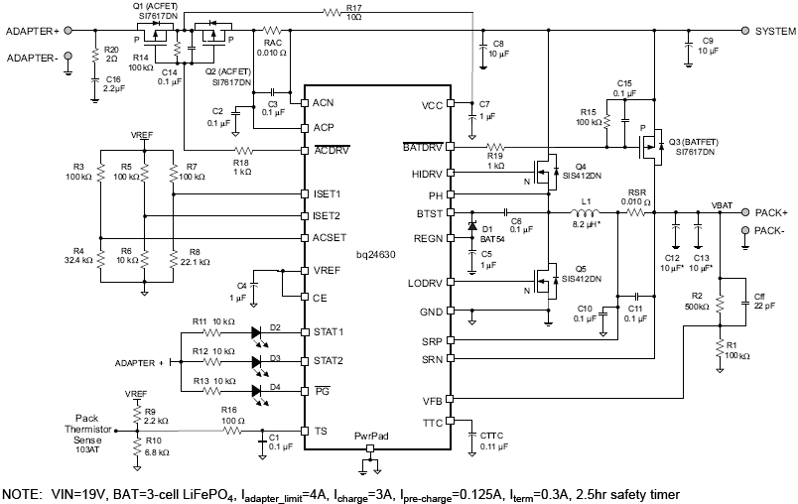

User Input
Fixed Value
Calculated Value

Battery charge voltage setting
Cell count | 3 | cell
Vcell | 3.6 | V/cell
Vbat | 10.8 | V
R1 | 100.0 | k-ohm
R2 | 500 | k-ohm

Adaptor regulation current
Iadp | 4 | A
RAC | 10 | m-ohm
VREF | 3.3 | V
V_ACSET | 0.800 | V
R3 | 100.0 | k-ohm
R4 | 32.00 | k-ohm

Battery pre-charge/termination current setting
Iprechg (Iterm) | 0.3 | A
RSR | 10 | m-ohm
VREF | 3.3 | V
V_ISET2 | 0.3 | V | Fixed Iprechg=125mA for 10mΩ sensing resistor
R5 | 100.0 | k-ohm
R6 | 10.00 | k-ohm

Battery fast-charge current setting
Ichg | 3 | A
RSR | 10 | m-ohm
VREF | 3.3 | V
V_ISET1 | 0.6 | V
R7 | 100.0 | k-ohm
R8 | 22.22 | k-ohm

Iripple_Lout |  |  | Typical Inductor, Capacitor, and Sense Resistor Values as a function of charge current
Vin | 28 | V | Charge Current | 2A | 4A | 6A | 8A | 10A
Vout (Vbat) | 10.8 | V | Output Inductor Lo | 8.2mH | 8.2mH | 5.6mH | 4.7mH | 4.7mH
Duty | 0.386 |  | Output Capacitor Co | 20mF | 20mF | 30mF | 40mF | 40mF
Fs | 300 | kHz | Sense Resistor | 10mW | 10mW | 10mW | 10mW | 10mW
Lout | 8.20 | uH
IRIPPLE | 2.70 | A
VRIPPLE | 56.18 | mV

LC output filter resonant frequency
Lout | 8.20 | uH
Cout | 20.00 | uF
f0 | 12.43 | kHz | recommended range 10~15 kHz

Precharge timer (fixed)
Tprecharge | 30.00 | min

Fastcharge timer
Kttc | 1.40 | min/nF
Cttc | 110 | nF
Tcharge | 2.57 | hr

TS resistor network
RTH (semitech) | 103AT-2,3 | 0-60C
R_COLD (0C) | 27.28 | k-ohm
R_HOT (60C) | 3.02 | k-ohm
VREF | 3.30 | V
VCOOL | 2.33 | 70.70%
VWARM | 1.58 | 48.00%
R9 | 2.27 | 2.2 k-ohm
R10 | 6.86 | 6.8 k-ohm

-20°C
0°C
60°C
80°C
ACOV
bq24600 | 32 | V

bq24640
Supper cap charger bq24640 typical application circuit
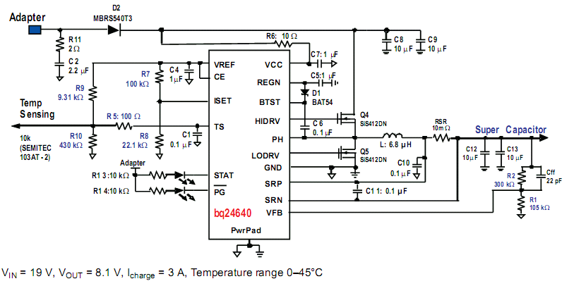

User Input
Fixed Value
Calculated Value

Capacitor charge voltage setting
Cap count in series | 2 | cap in series
Vcap for each cap | 2.7 | V/cap
Vcap | 5.4 | V
R1 | 41.9 | k-ohm | 390k//47k
R2 | 65.913697287 | k-ohm | 68k

Capacitor charge current setting
Ichg | 6 | A
RSR | 10 | m-ohm
VREF | 3.3 | V |  | NO precharge, NO termination
V_ISET | 1.2 | V
R7 | 82.0 | k-ohm
R8 | 46.86 | k-ohm | 47k

Iripple_Lout |  |  |  | Typical Inductor, Capacitor, and Sense Resistor Values as a function of charge current
Vin | 24 | V |  | Charge Current | 2A | 4A | 6A | 8A | 10A
Vout (Vbat) | 5.4 | V |  | Output Inductor Lo | 6.8mH | 6.8mH | 4.7mH | 3.3mH | 3.3mH
Duty | 0.225 |  |  | Output Capacitor Co | 20mF | 20mF | 30mF | 40mF | 40mF
Fs | 600 | kHz |  | Sense Resistor | 10mW | 10mW | 10mW | 10mW | 10mW
Lout | 4.70 | uH
IRIPPLE | 1.48 | A
VRIPPLE | 12.52 | mV

LC output filter resonant frequency
Lout | 4.70 | uH
Cout | 24.70 | uF
f0 | 14.77 | kHz |  | recommended range 12~17 kHz

TS resistor network
RTH (semitech) | 103AT-2,3 | 0-45C
R_COLD (0C) | 27.28 | k-ohm
R_HOT (45C) | 4.91 | k-ohm
VREF | 3.30 | V
VLTF | 2.43 | 73.50%
VTCO | 1.14 | 34.40%
R9 | 9.26 | 9.31 k-ohm
R10 | 440.35 | 430 k-ohm
0°C
45°C
40°C
ACOV
bq24600 | 32 | V

bq24650
Solar charger bq24650 typical application circuit
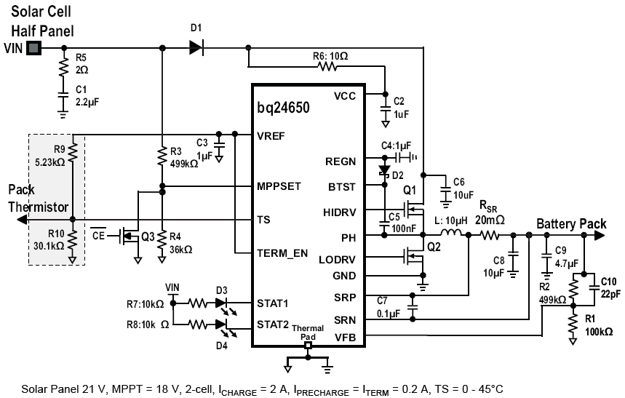

User Input
Fixed Value
Calculated Value

Battery charge voltage setting
Cell count | 3 | cell
Vcell | 4.2 | V/cell
Vbat | 12.6 | V
R1 | 100.0 | k-ohm
R2 | 500 | k-ohm

Battery fast-charge current setting
Ichg | 2 | A | Iprechg=Iterm=Ichg/10
RSR | 20 | m-ohm

MPP voltage setting
VMPP | 18 | V
R4 | 36.0 | k-ohm
R3 | 504 | k-ohm

Iripple_Lout
Vin | 21 | V
Vout (Vbat) | 12.6 | V
Duty | 0.600
Fs | 600 | kHz | Typical Inductor, Capacitor, and Sense Resistor Values as a function of charge current
Lout | 15.00 | uH | Charge Current | 1A | 2A | 4A | 8A
IRIPPLE | 0.56 | A | Output Inductor Lo | 15mH | 10mH | 6.8mH | 3.3mH
VRIPPLE | 11.67 | mV | Output Capacitor Co | 10mF | 15mF | 20mF | 40mF
 |  |  | Sense Resistor | 40mW | 20mW | 10mW | 5mW
LC output filter resonant frequency
Lout | 10.00 | uH
Cout | 15.00 | uF
f0 | 12.99 | kHz

Timer (fixed)
Tprecharge | 30.00 | min
Tfastcharge | 5 | hr | recommended range 12~17 kHz

TS resistor network
RTH (semitech) | 103AT-2,3 | 0-45C
R_COLD (0C) | 27.28 | k-ohm
R_HOT (45C) | 4.91 | k-ohm
VREF | 3.30 | V
VLTF | 2.43 | 73.50%
VTCO | 1.48 | 45.00%
R9 | 5.16 | 9.31 k-ohm
R10 | 30.12 | 430 k-ohm

ACOV
bq24600 | 32 | V

0°C
45°C
40°C

